Overview
DIDO Nonfunctional Requirments for
____________ Worksheet
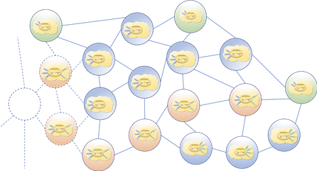
The following is an Evaluation Worksheet that uses the DIDO Non-Functional Requirements as a basis for the evaluation of DIDO Platforms
This Evaluation was conducted by:
<Person>
For:
<CompanyName>
On:
<Date>

DIDO RA Evaluation Matric
Version 0.9 Beta, 10 December 2020
Ian Murphy
R. W. "Nick" Stavros, Ph.D.
Jackrabbit Consulting
Poway, CA, USA 92064-170

